2_1
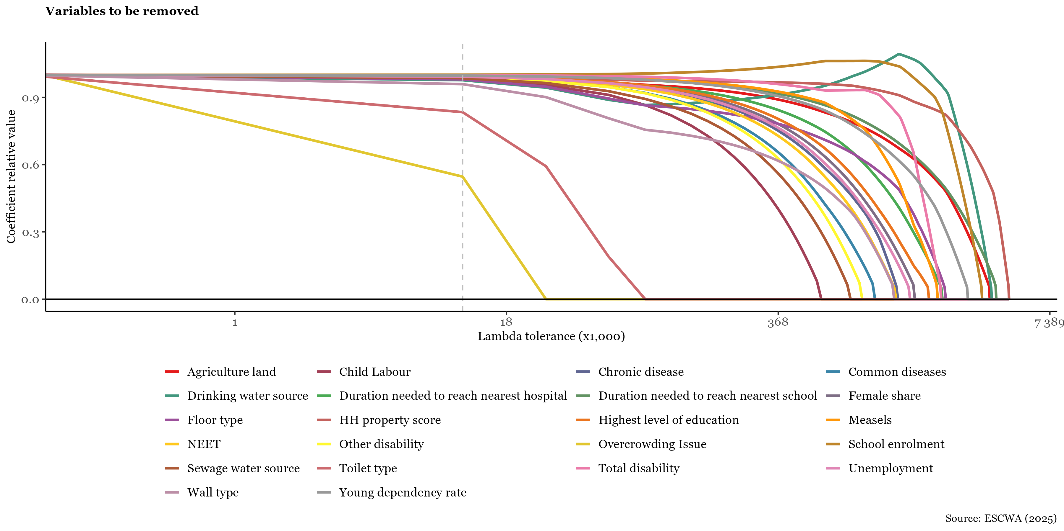
Variable | More than 80% variation | More than 90% variation | More than 95% variation | Minor variation explained
Agriculture land | 0.064105413039
Child Labour |  |  | 0.015977671868
Chronic disease |  |  |  | 0.014007662981
Common diseases |  |  |  | 0.014069045492
Drinking water source |  |  |  | 0.0077096607611
Duration needed to reach nearest hospital |  | 0.039520646282
Duration needed to reach nearest school | 0.15561923509
Female share | 0.13393368613
Floor type |  |  |  | 0.010008448214
HH property score | 0.059467269843
Highest level of education | 0.048247782763
Measels |  | 0.020605219737
NEET | 0.045874412522
Other disability |  |  | 0.015047942577
Overcrowding Issue |  |  |  | 3.2908697633E-05
School enrolment |  | 0.043946375471
Sewage water source |  |  | 0.016154817156
Toilet type |  |  |  | 0.0021836650714
Total disability |  |  | 0.014137669942
Unemployment | 0.12995104334
Wall type |  |  |  | 0.0054734718005
Young dependency rate | 0.14392595122

2_2
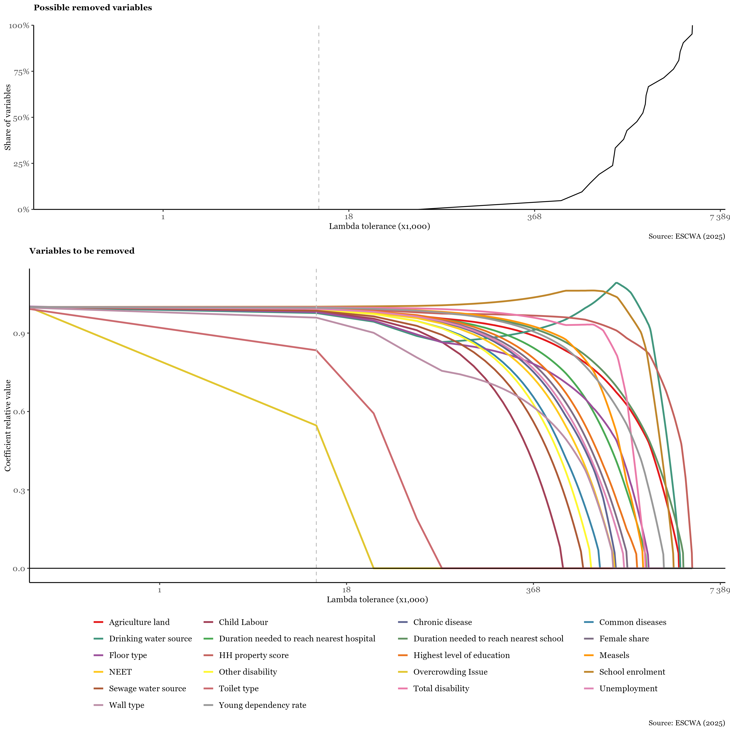
Variable | Lambda
HH property score | 4.707996739
Duration needed to reach nearest school | 4.0877964551
Drinking water source | 3.8904600012
Agriculture land | 3.8058872352
School enrolment | 3.4957870932
Young dependency rate | 2.9883504973
Floor type | 2.3399592915
Duration needed to reach nearest hospital | 2.2553865255
Total disability | 2.2271956035
Measels | 2.1426228375
Highest level of education | 1.9452863836
Female share | 1.6633771636
Unemployment | 1.5788043976
Chronic disease | 1.3814679437
NEET | 1.3532770217
Wall type | 1.3250860997
Common diseases | 1.0713678017
Other disability | 0.93041319176
Sewage water source | 0.81764950378
Child Labour | 0.59212212782
Toilet type | 0.084685531926
Overcrowding Issue | 0.028303687938

